VT Pixel-1-Mobile
Baseline | Actual | Result | Status
1-Try Visual Testing Mobile_001_001

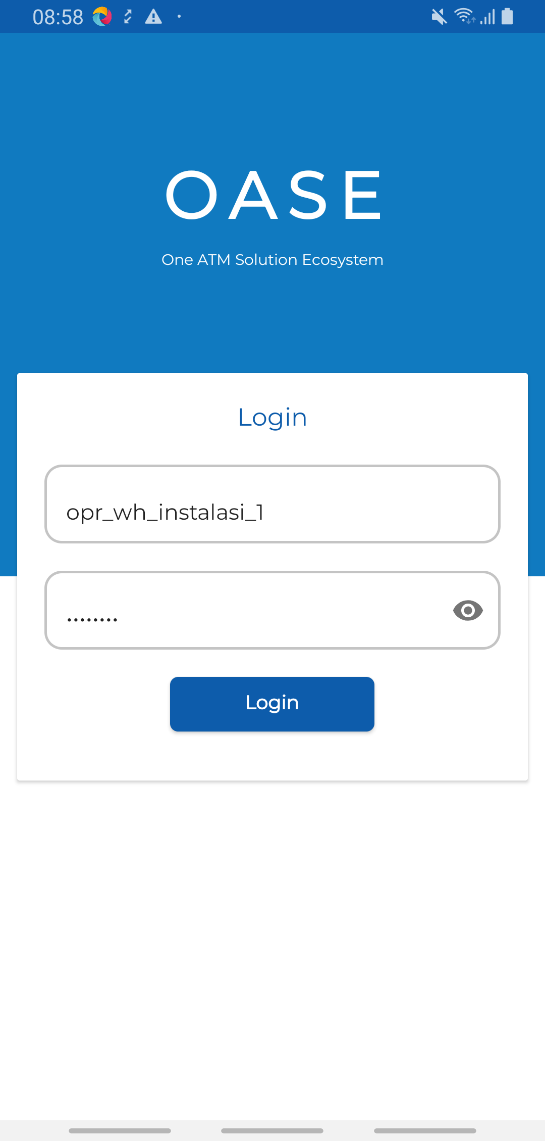
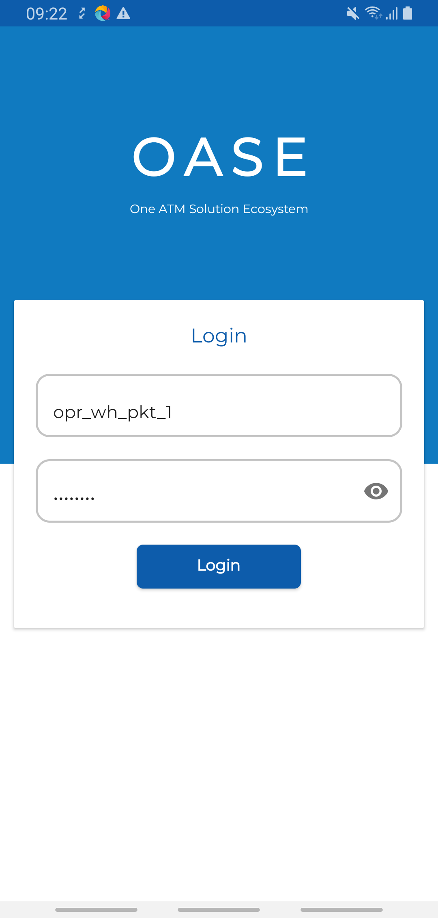
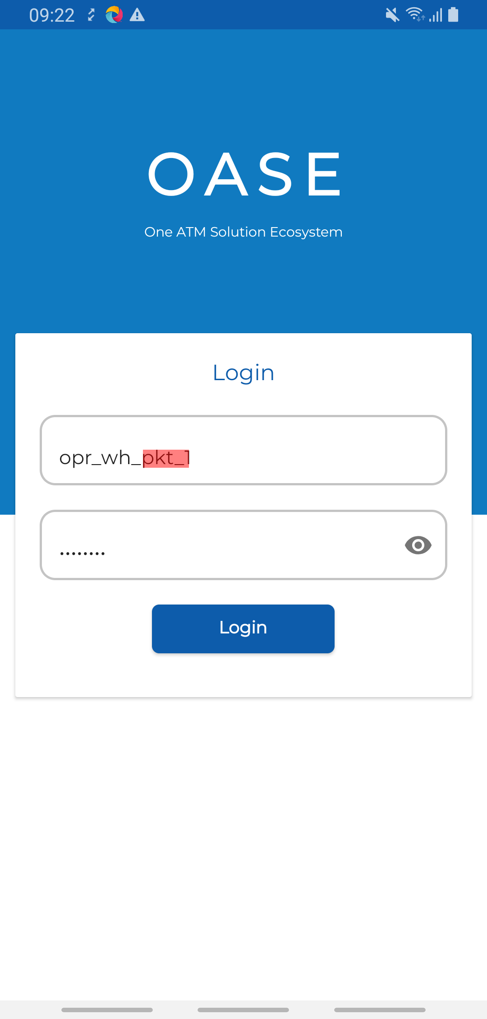
 |  |  | FAILED

1-Try Visual Testing Mobile_001_002

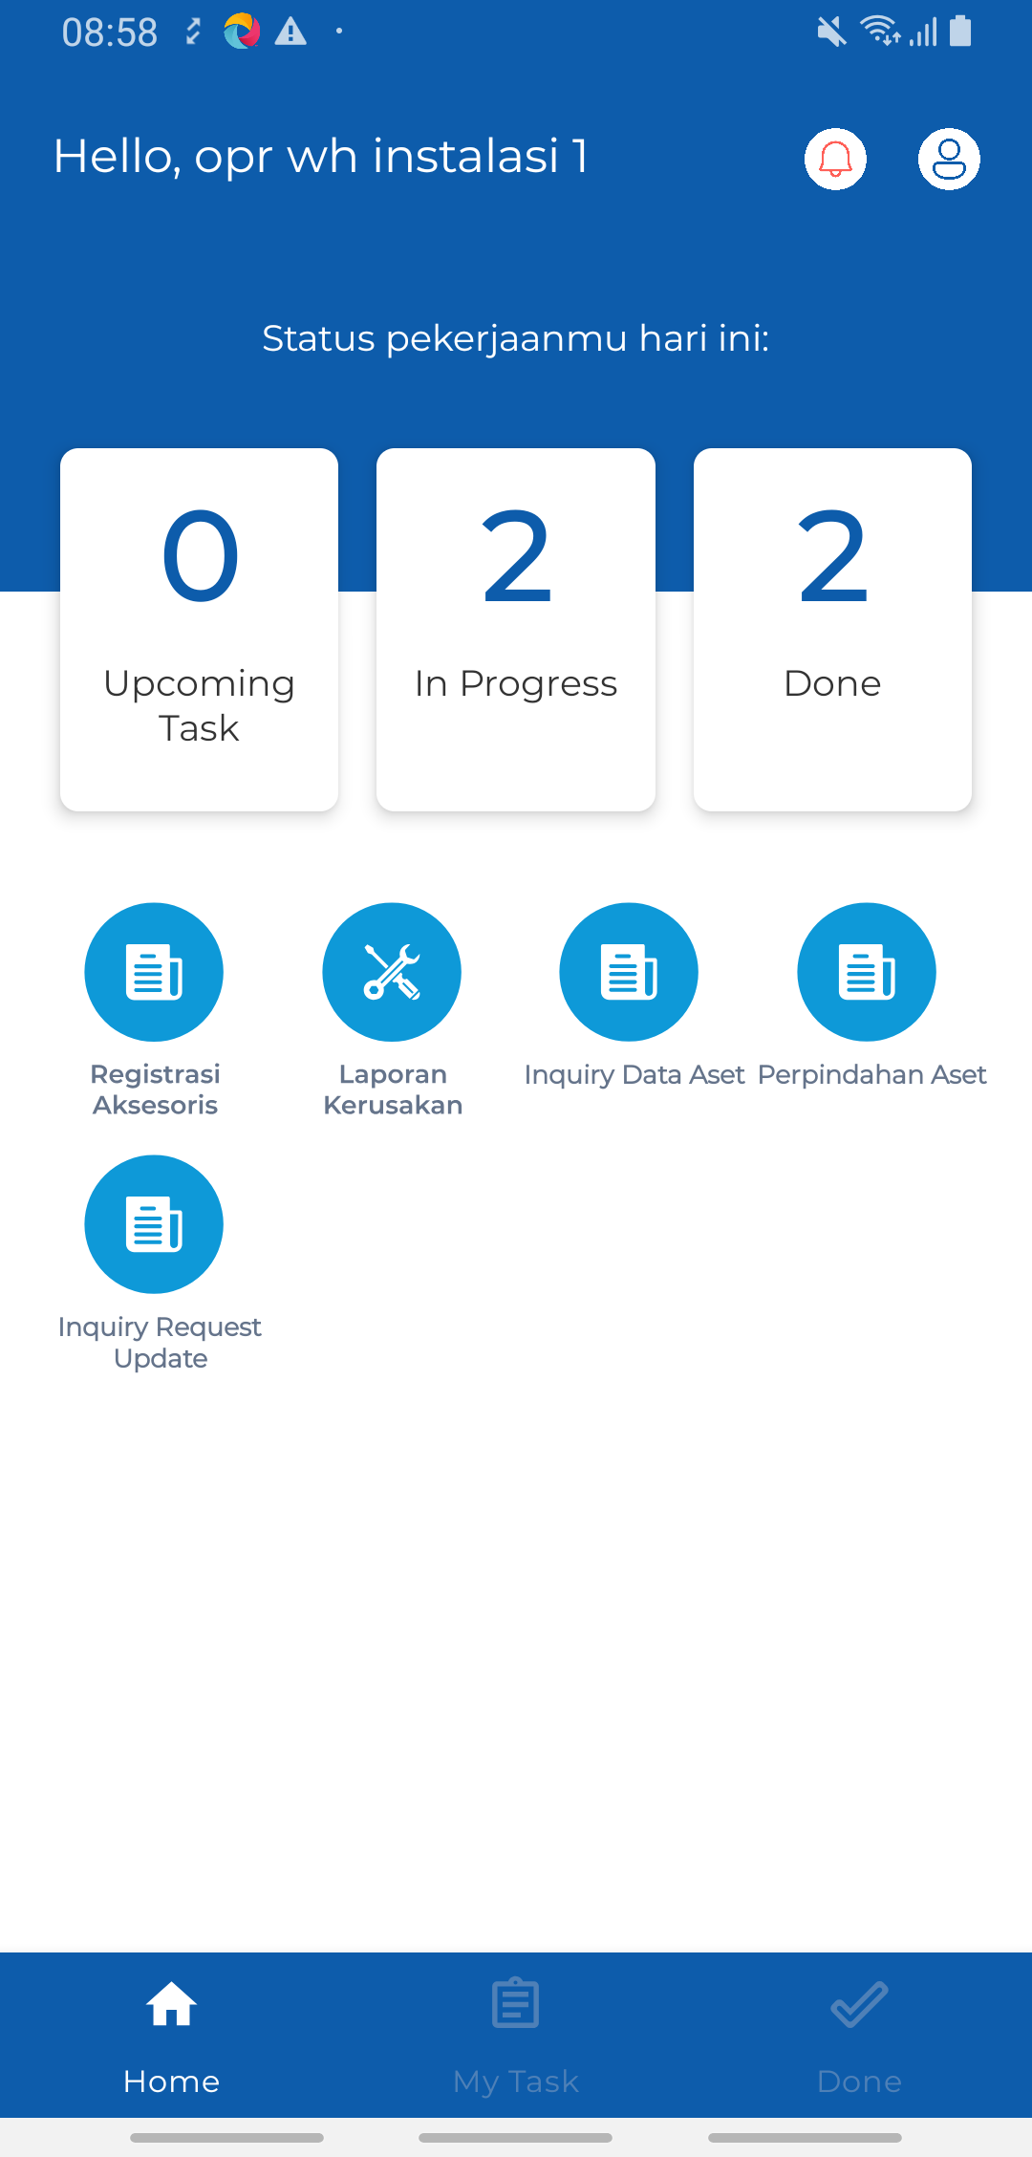
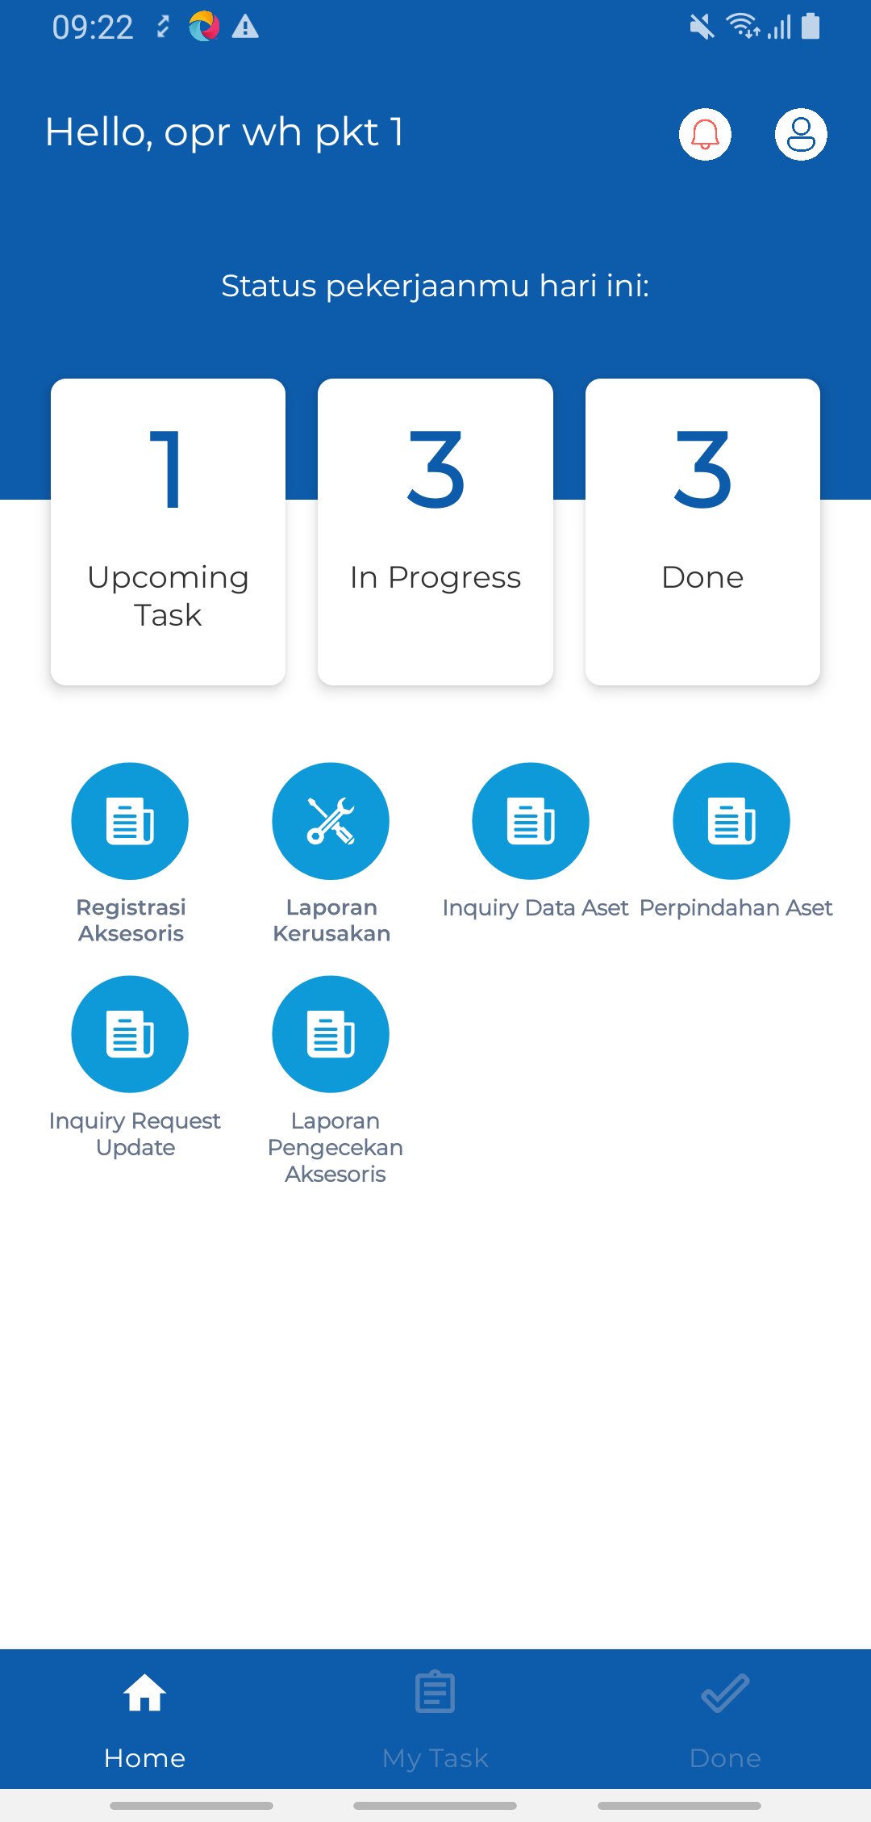
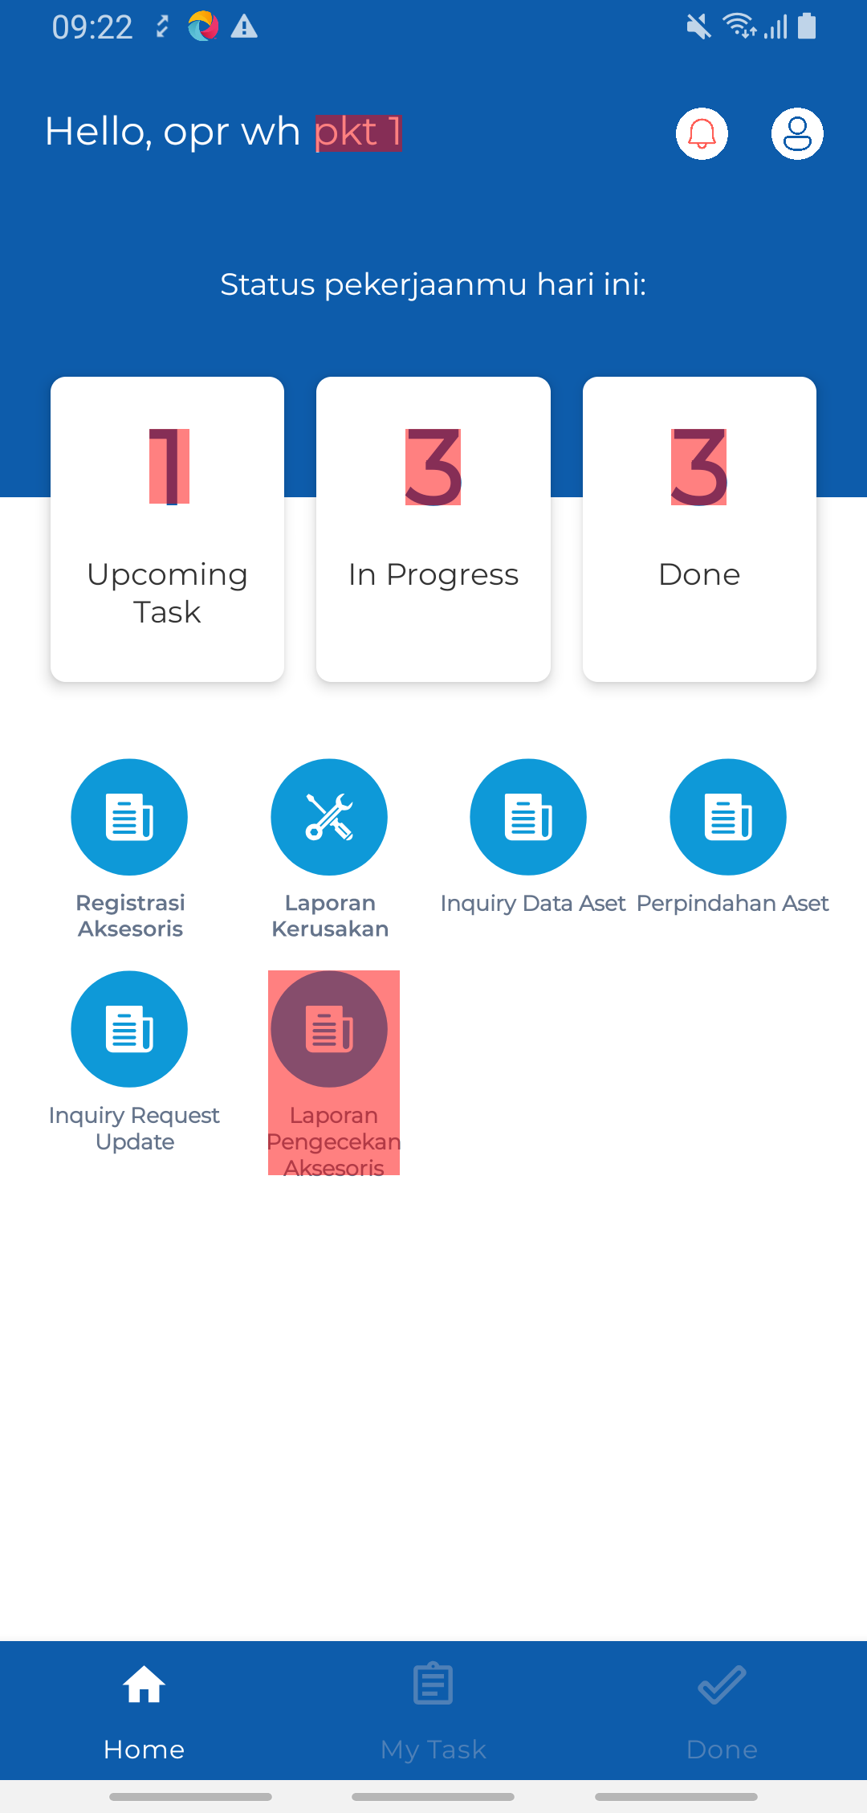
 |  |  | FAILED

1-Try Visual Testing Mobile_002_003

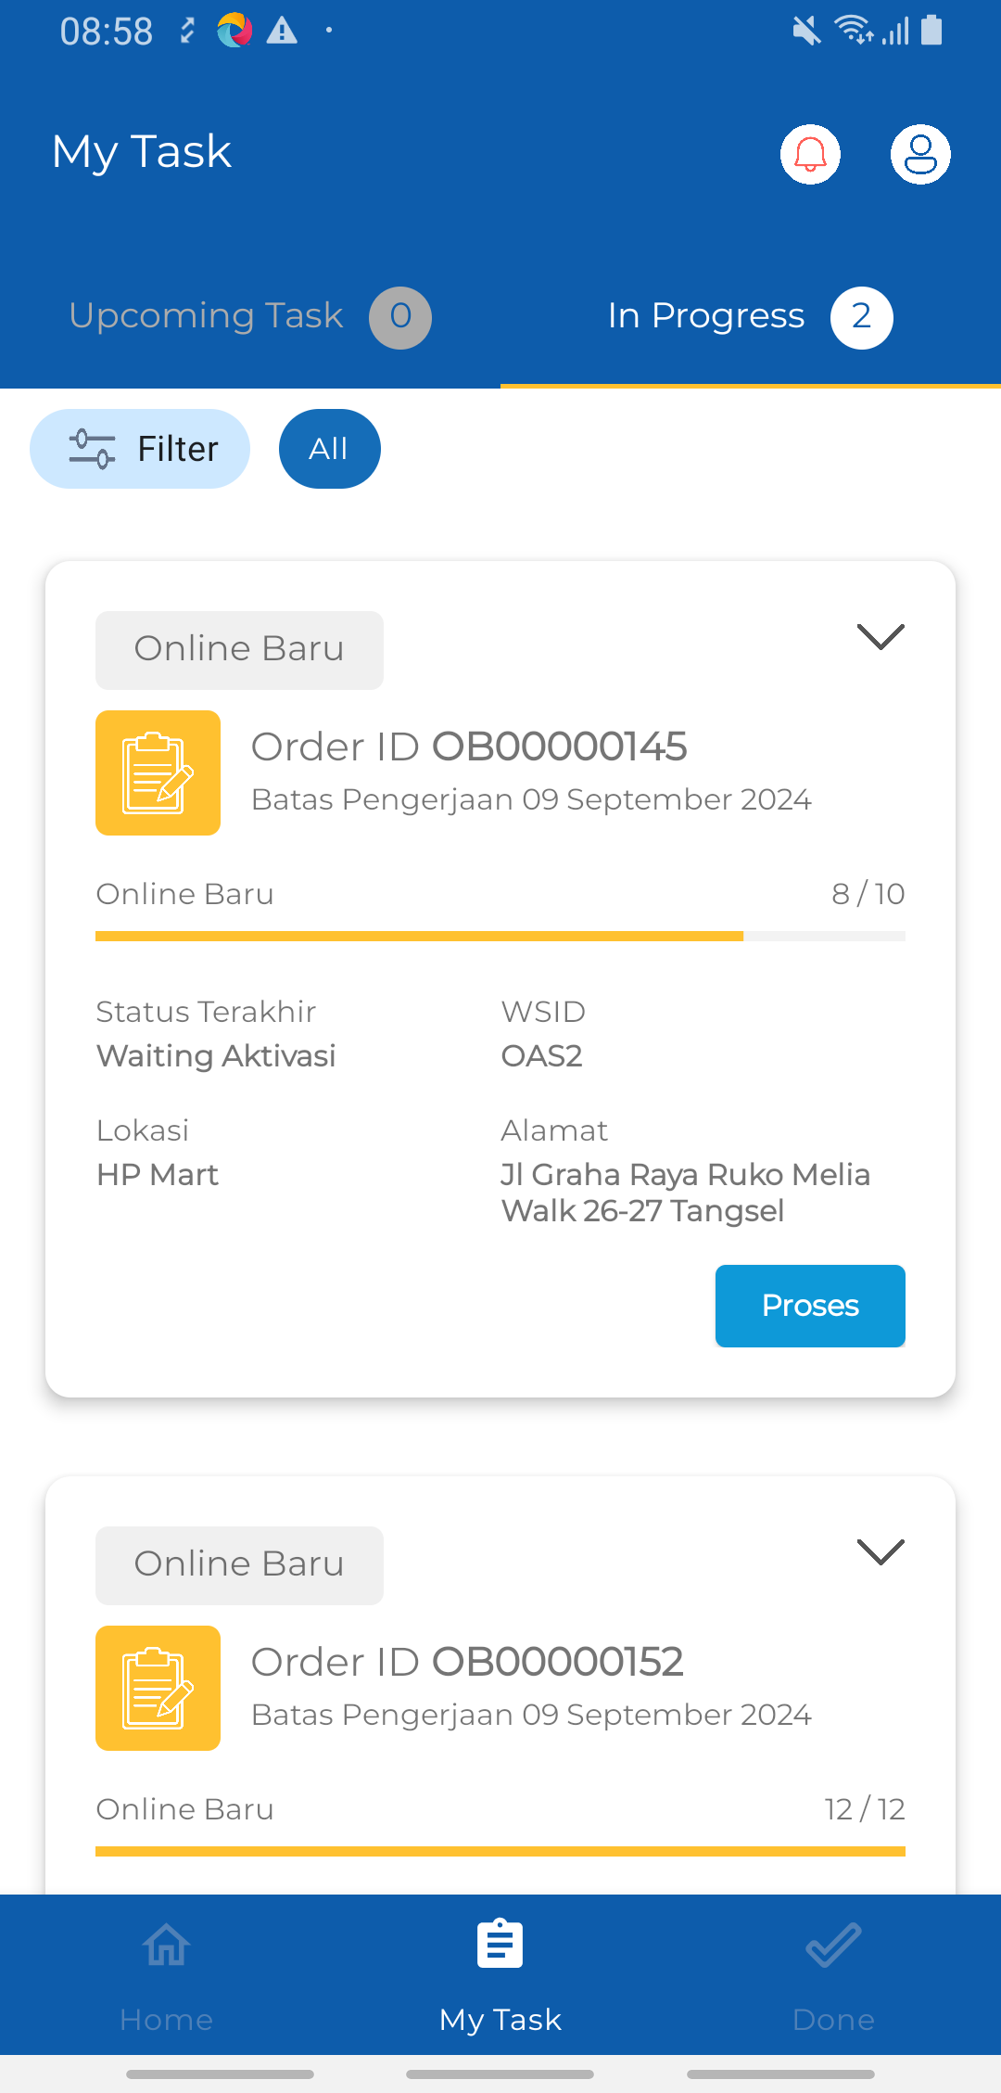

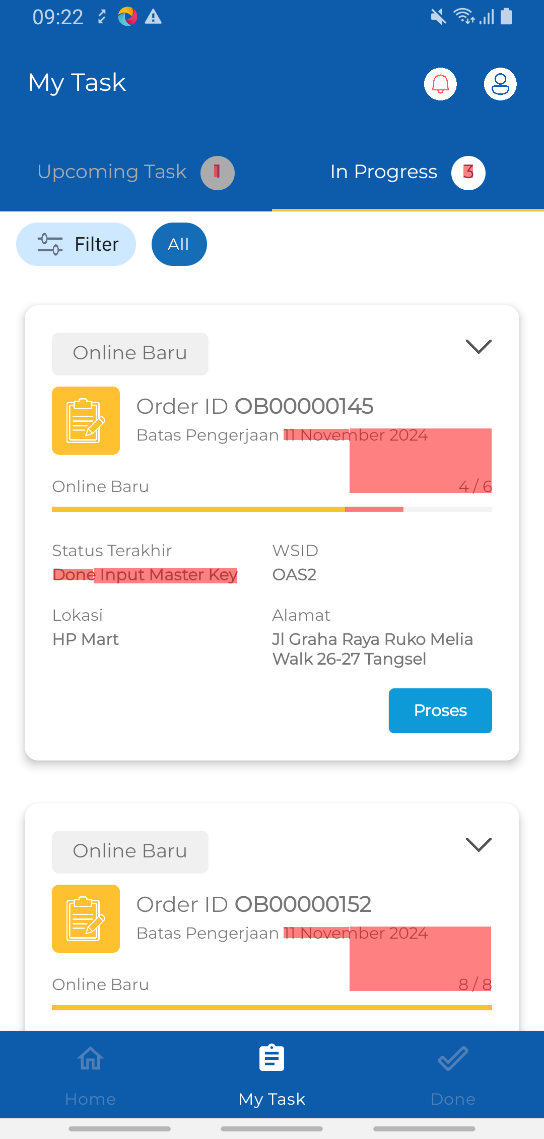
 |  |  | FAILED

1-Try Visual Testing Mobile_002_004

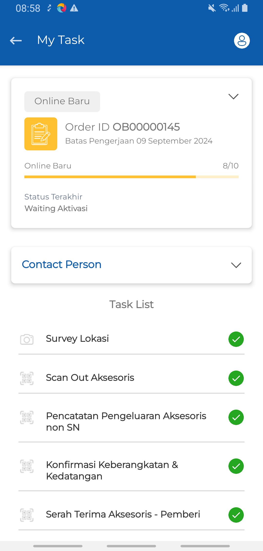
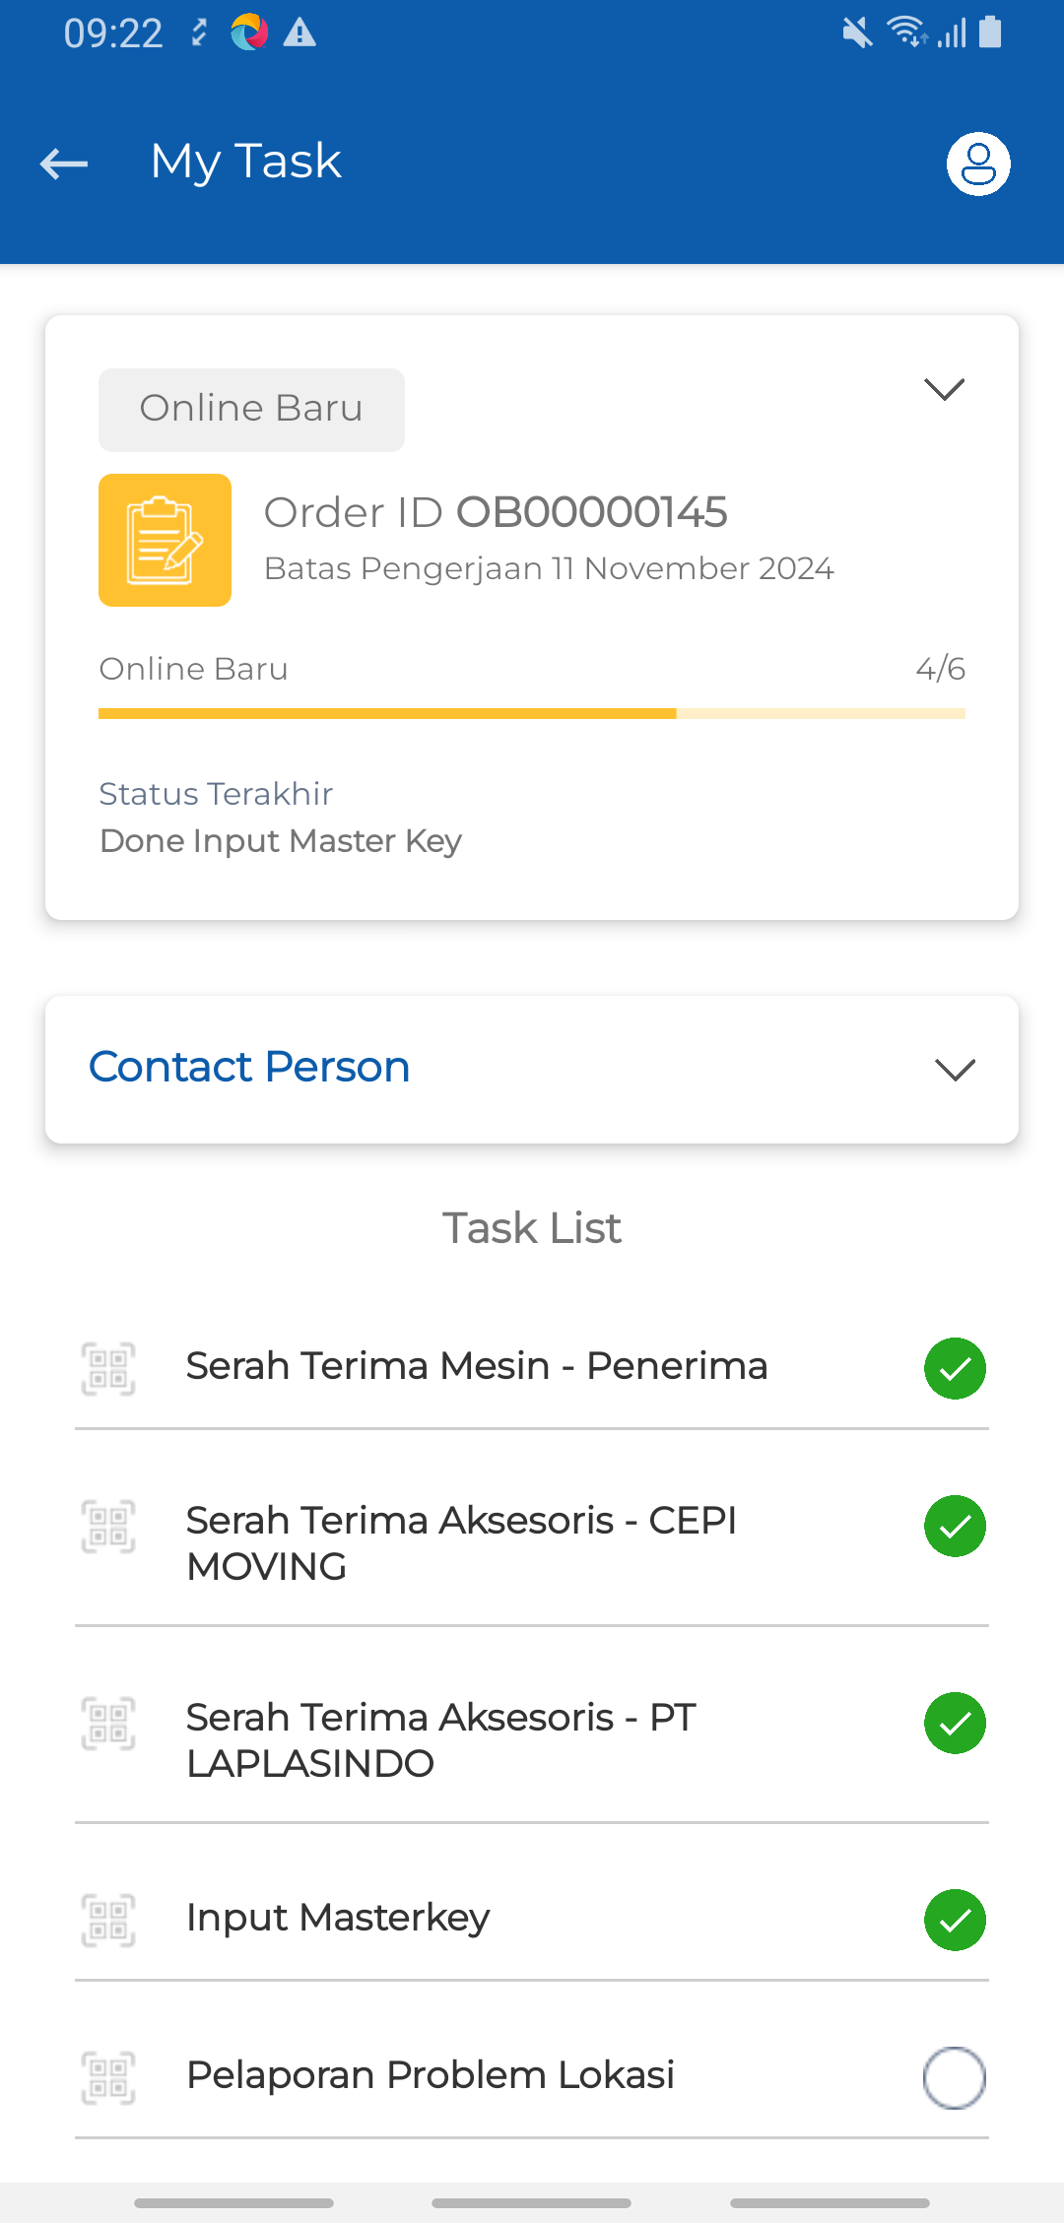
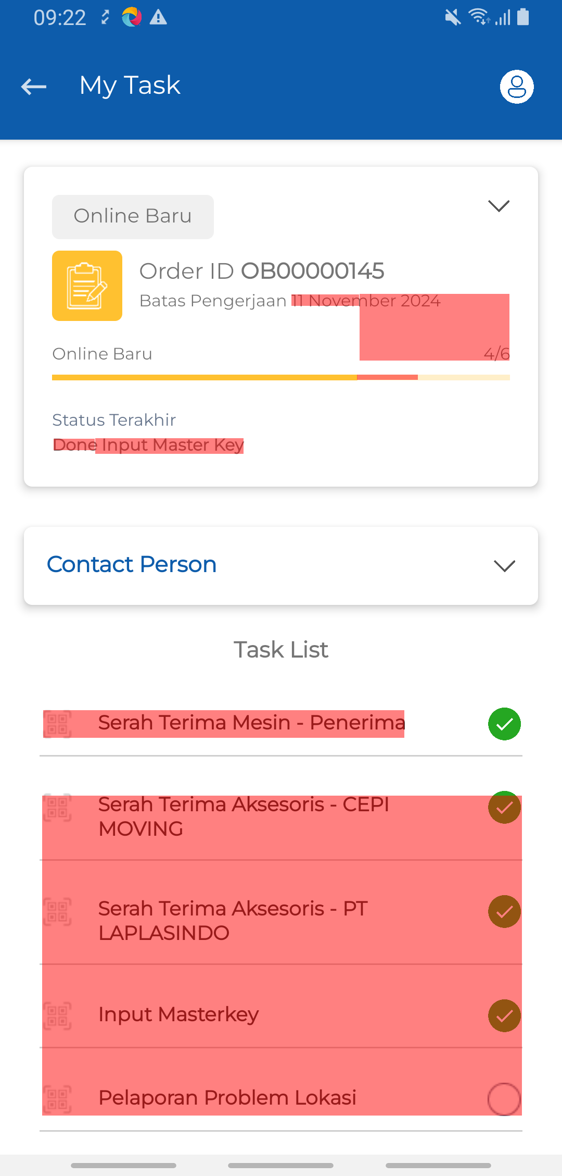
 |  |  | FAILED

1-Try Visual Testing Mobile_002_005

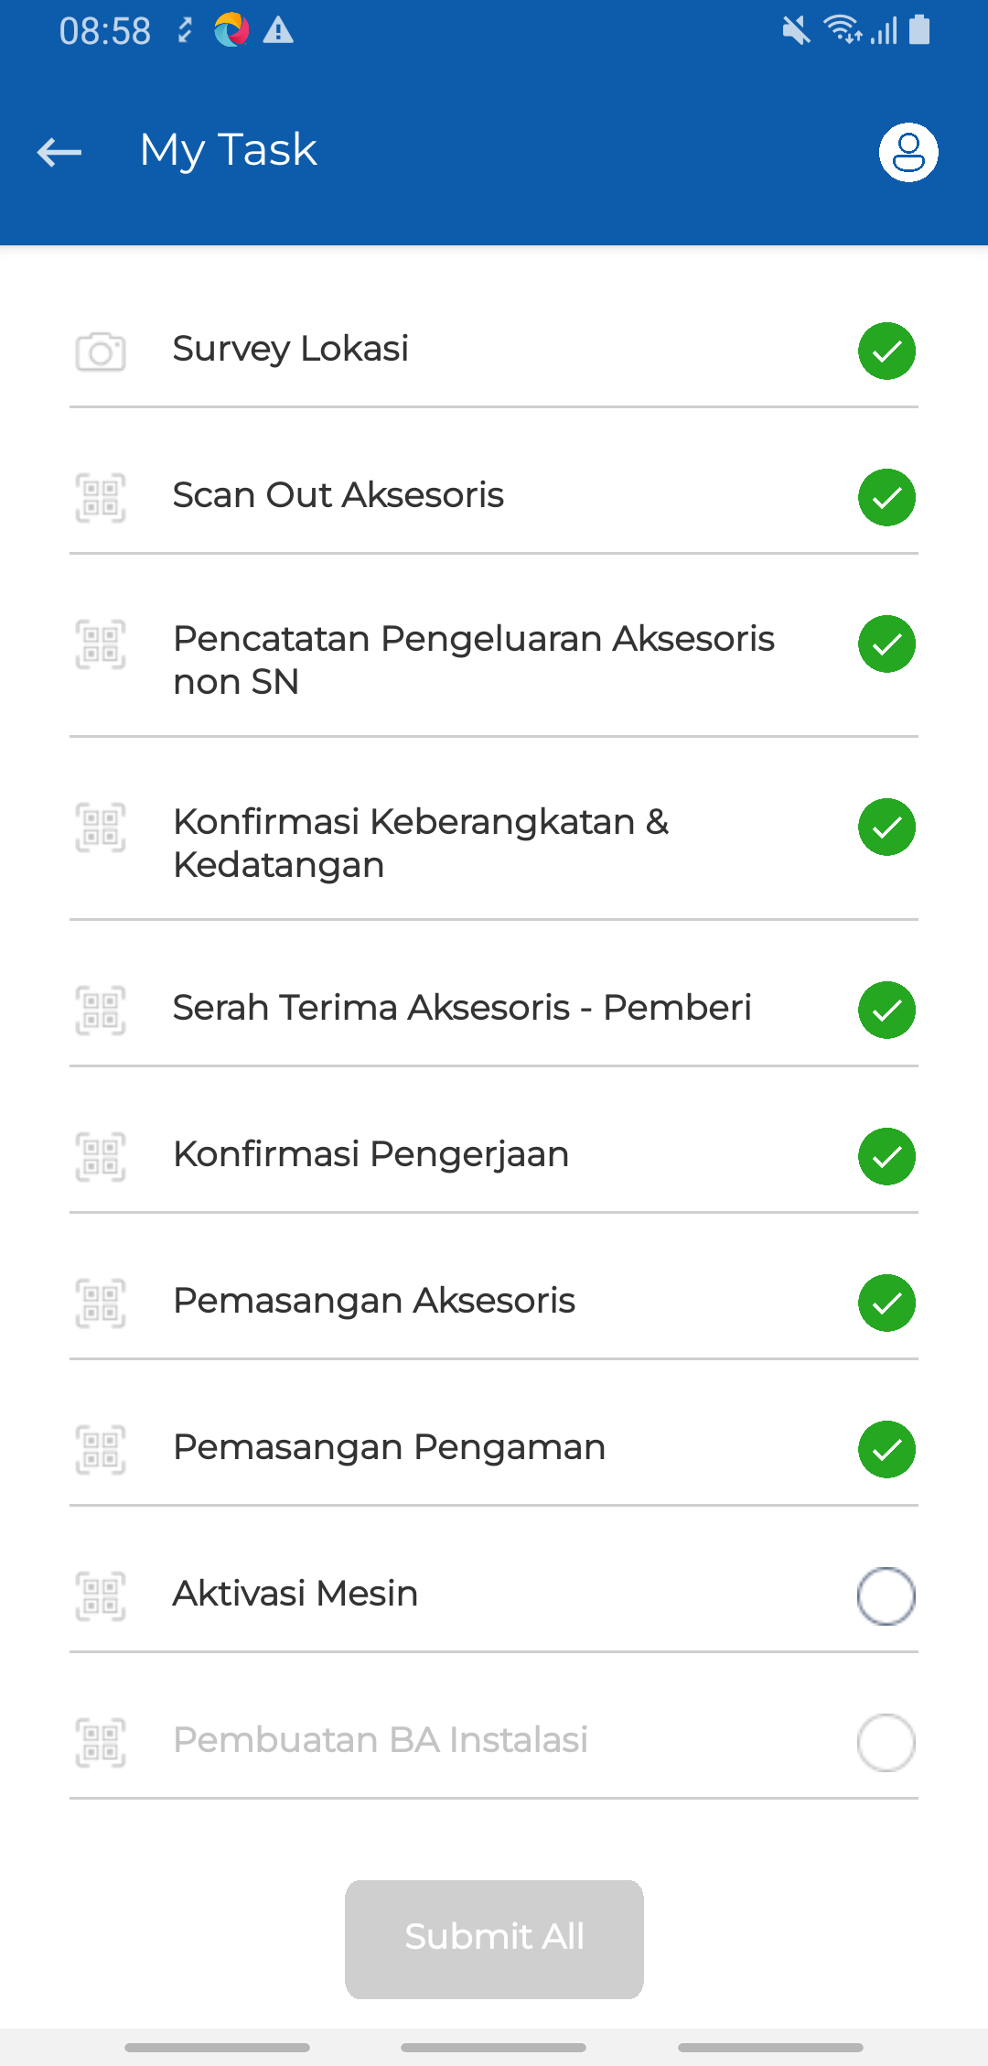
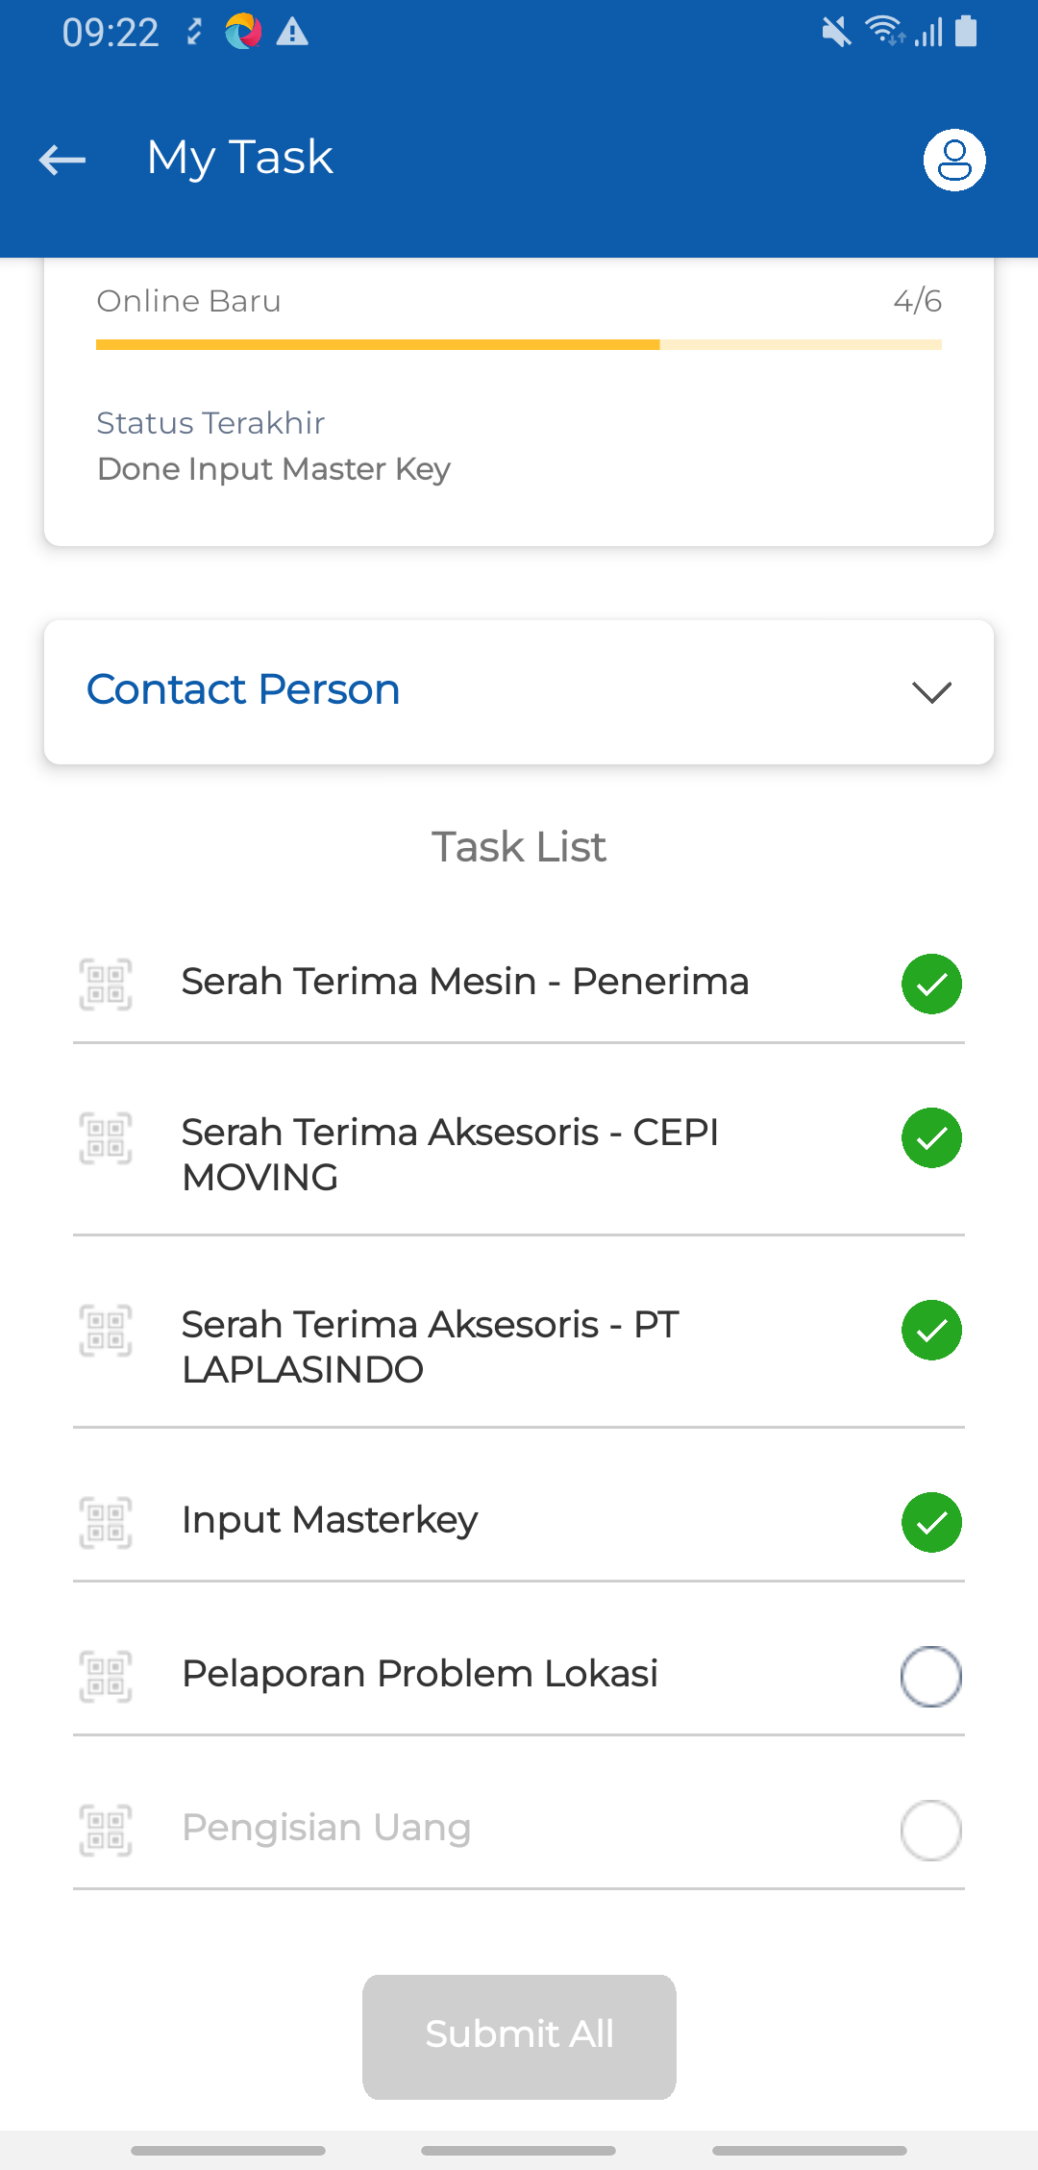
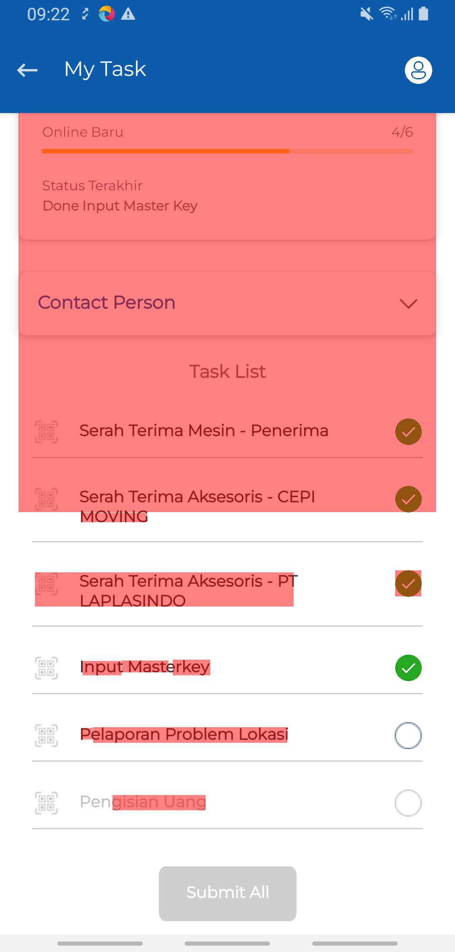
 |  |  | FAILED

1-Try Visual Testing Mobile_003_006

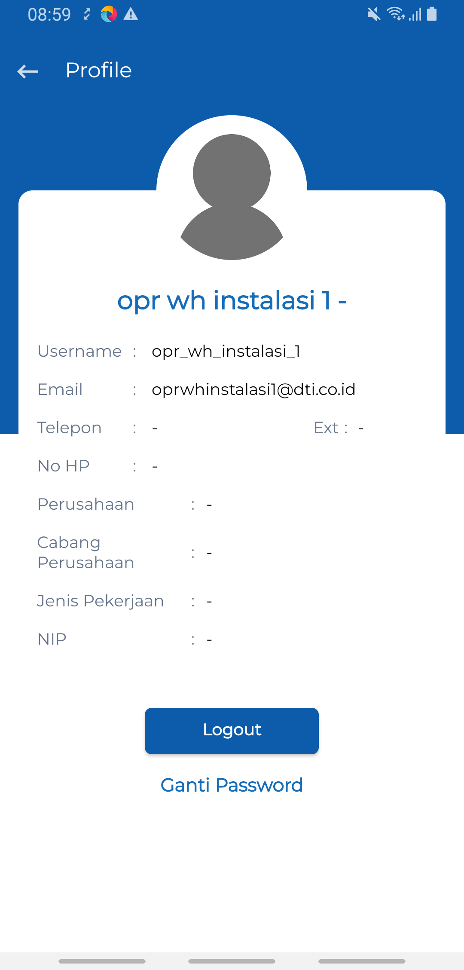
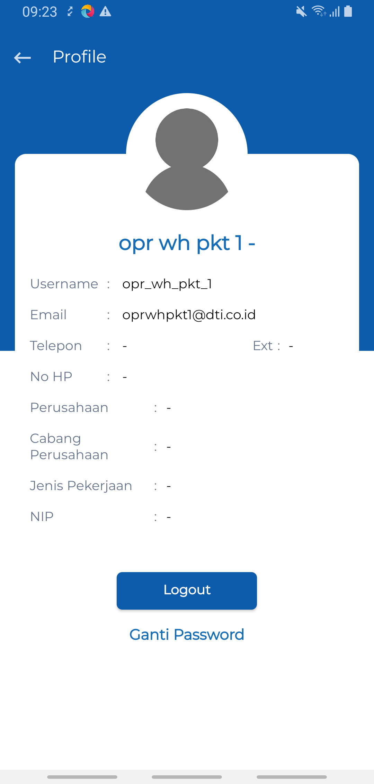
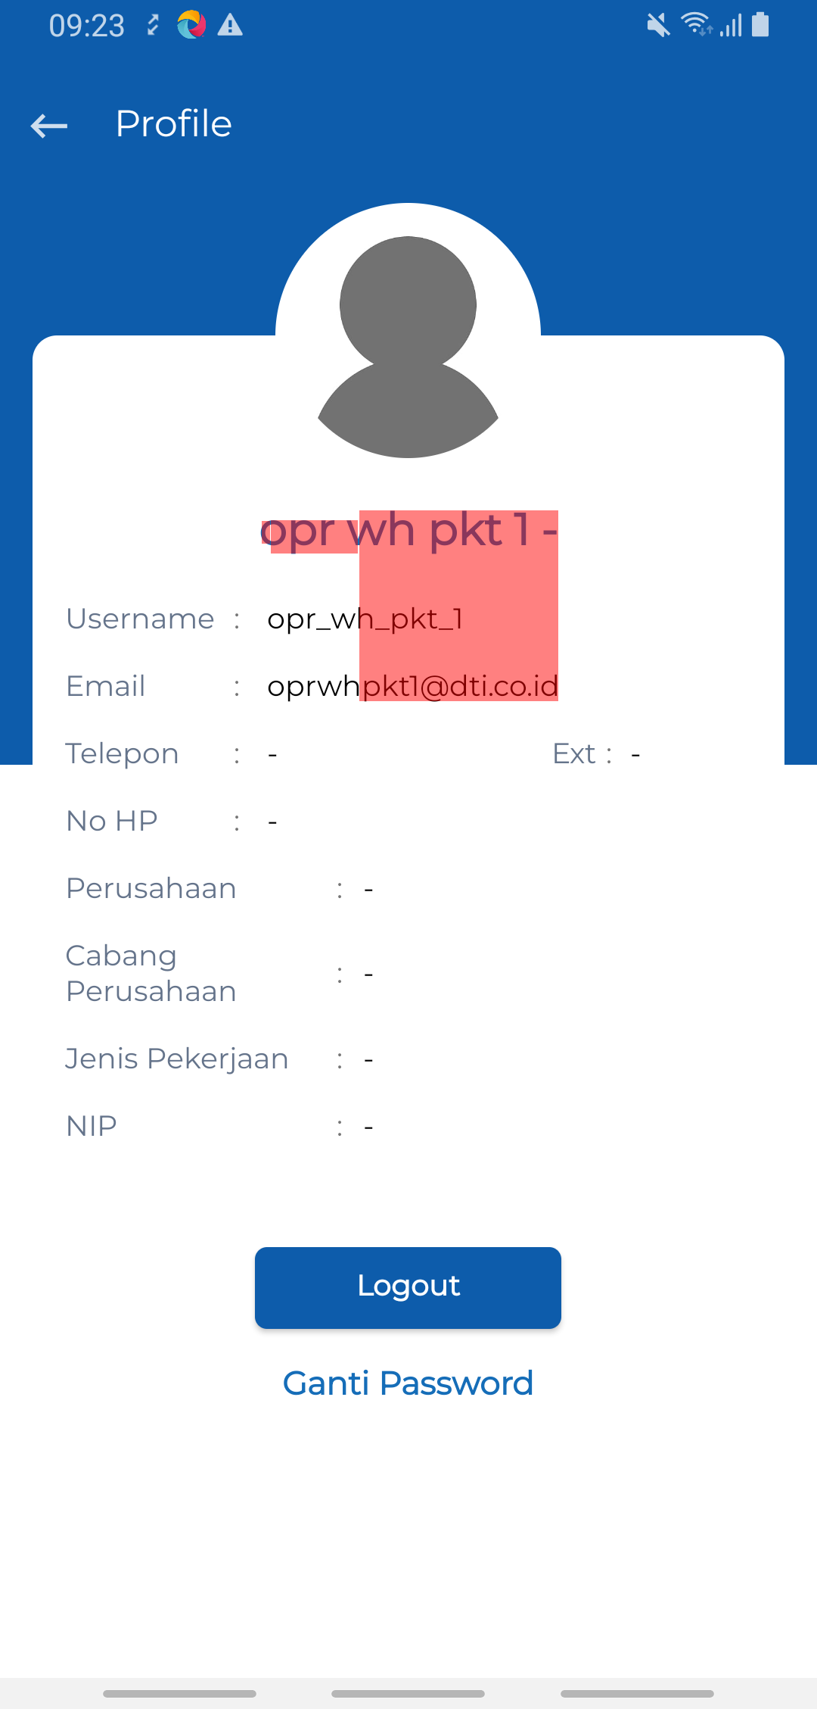
 |  |  | FAILED

VT Text Content-1-Mobile
Baseline | Result | Status
1-Try Visual Testing Mobile_001_001


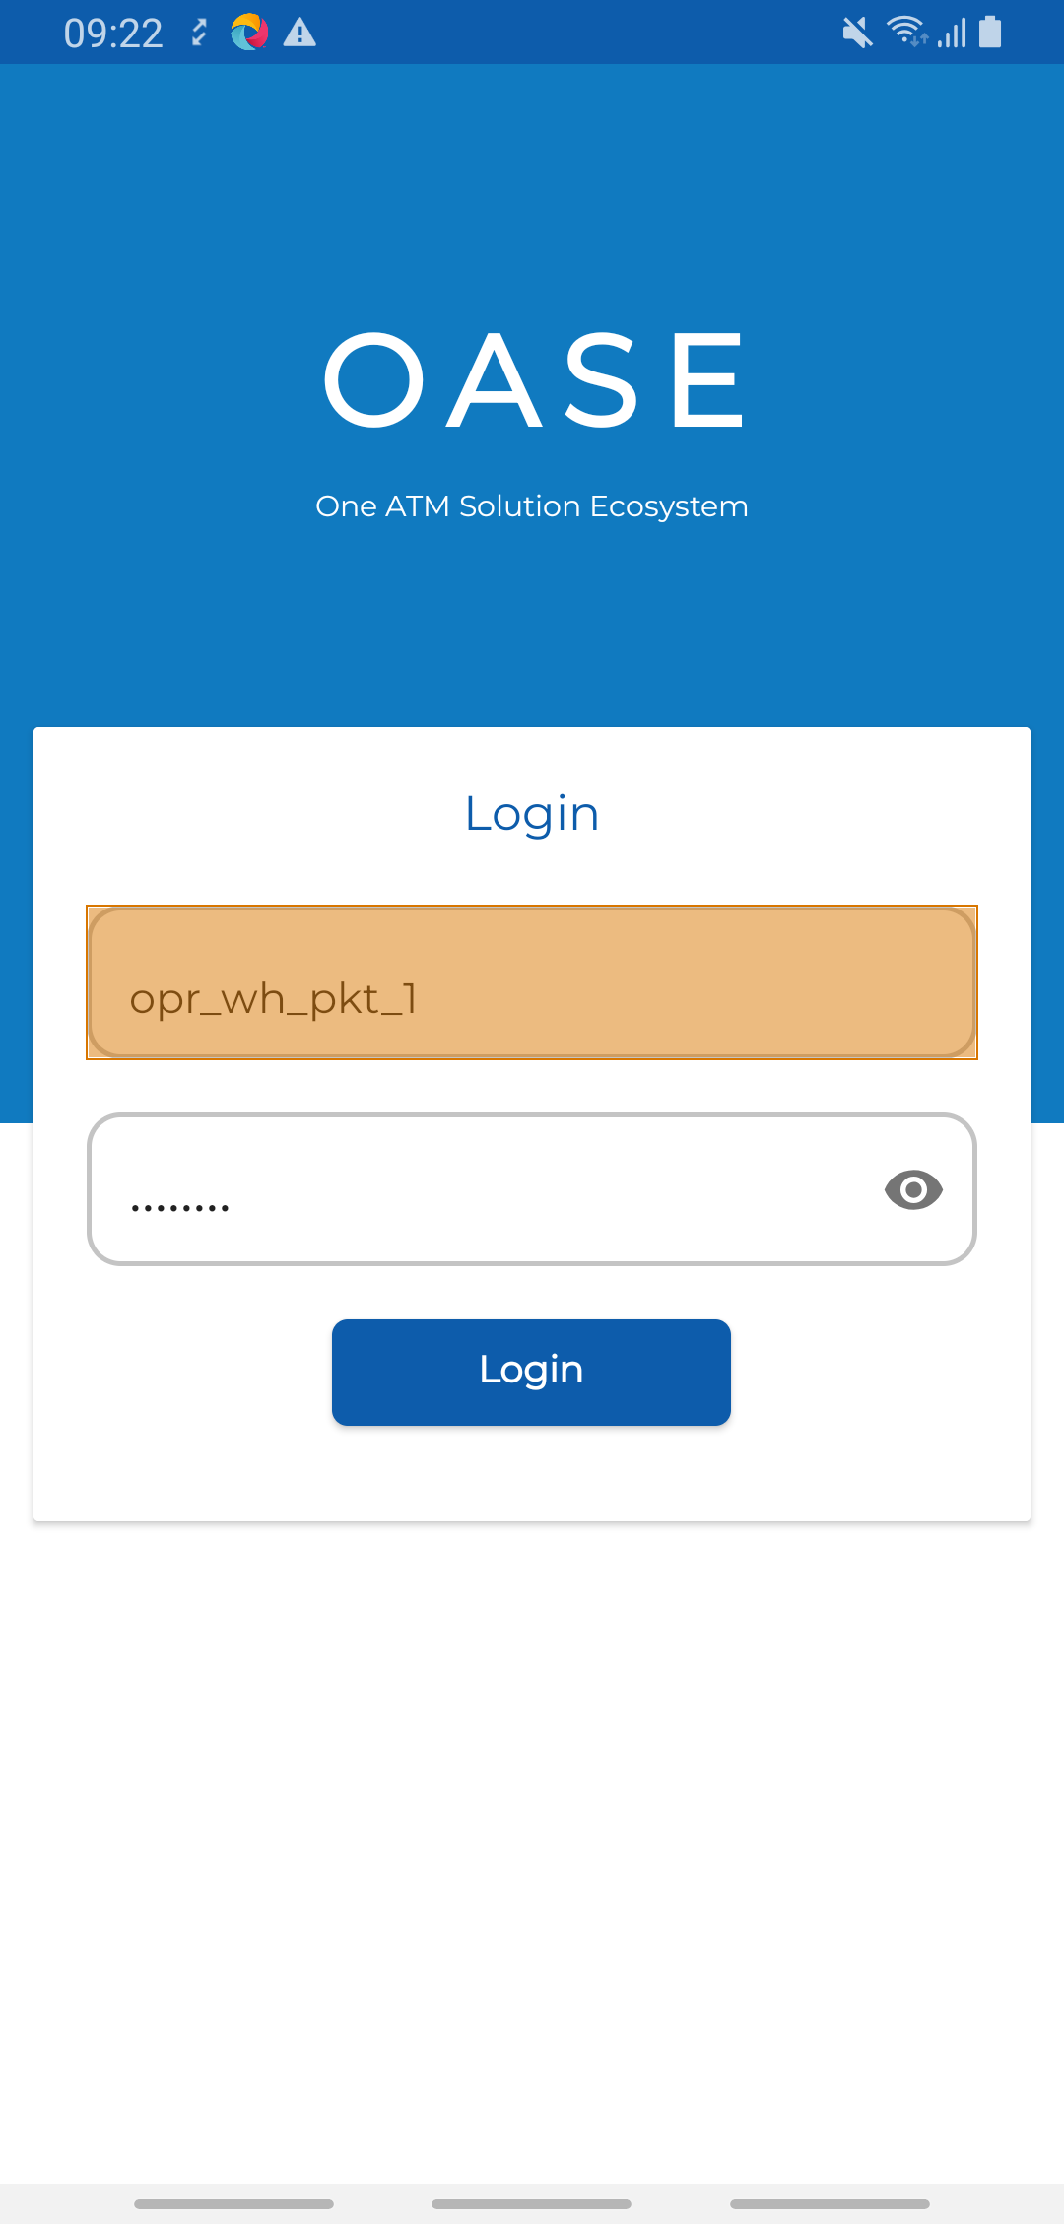
 |  | DIFFERENT

1-Try Visual Testing Mobile_001_002


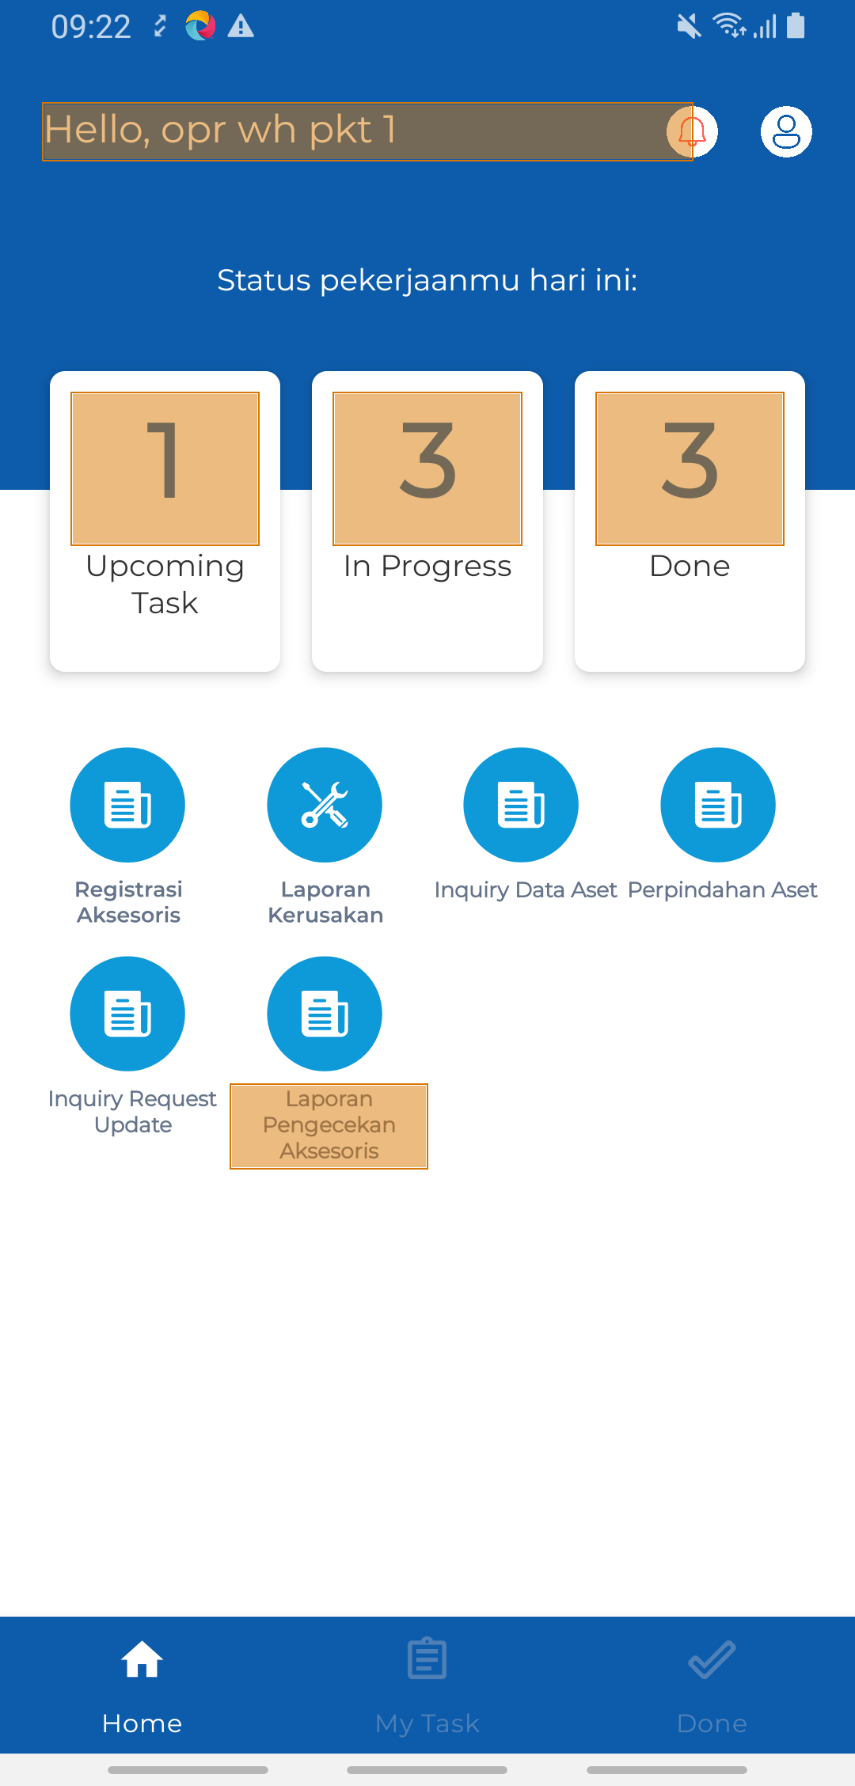
 |  | DIFFERENT

1-Try Visual Testing Mobile_002_003


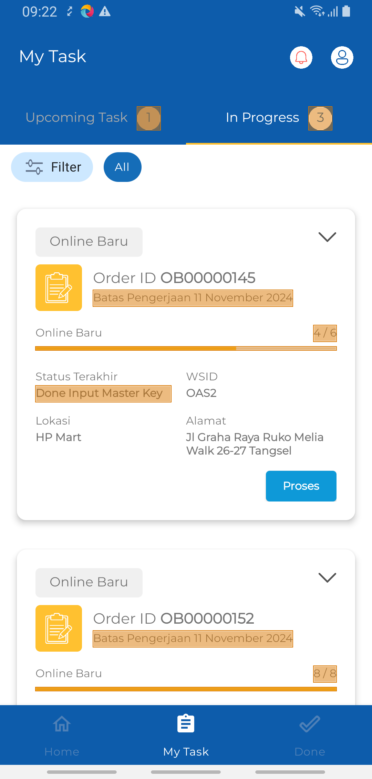
 |  | DIFFERENT

1-Try Visual Testing Mobile_002_004


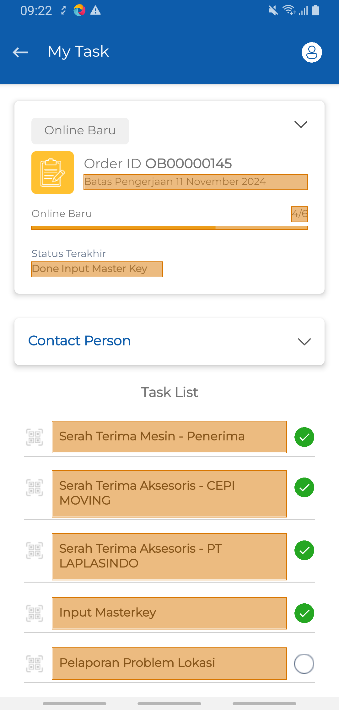
 |  | DIFFERENT

1-Try Visual Testing Mobile_002_005


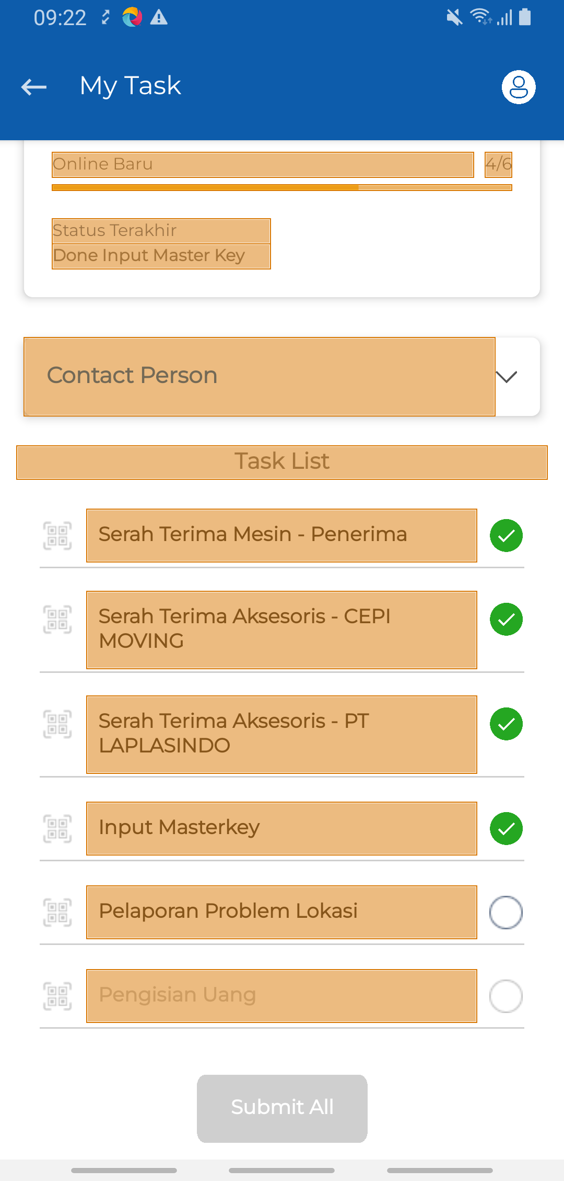
 |  | DIFFERENT

1-Try Visual Testing Mobile_003_006


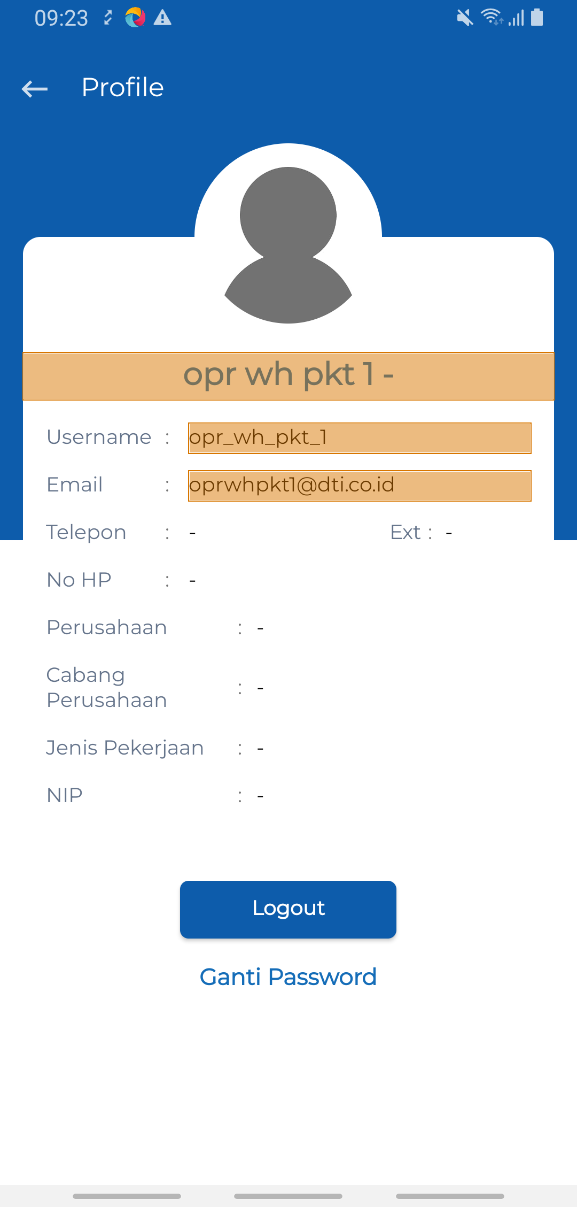
 |  | DIFFERENT

VT Page Layout-1-Mobile
Baseline | Result | Status
1-Try Visual Testing Mobile_001_001


 |  | IDENTICAL

1-Try Visual Testing Mobile_001_002

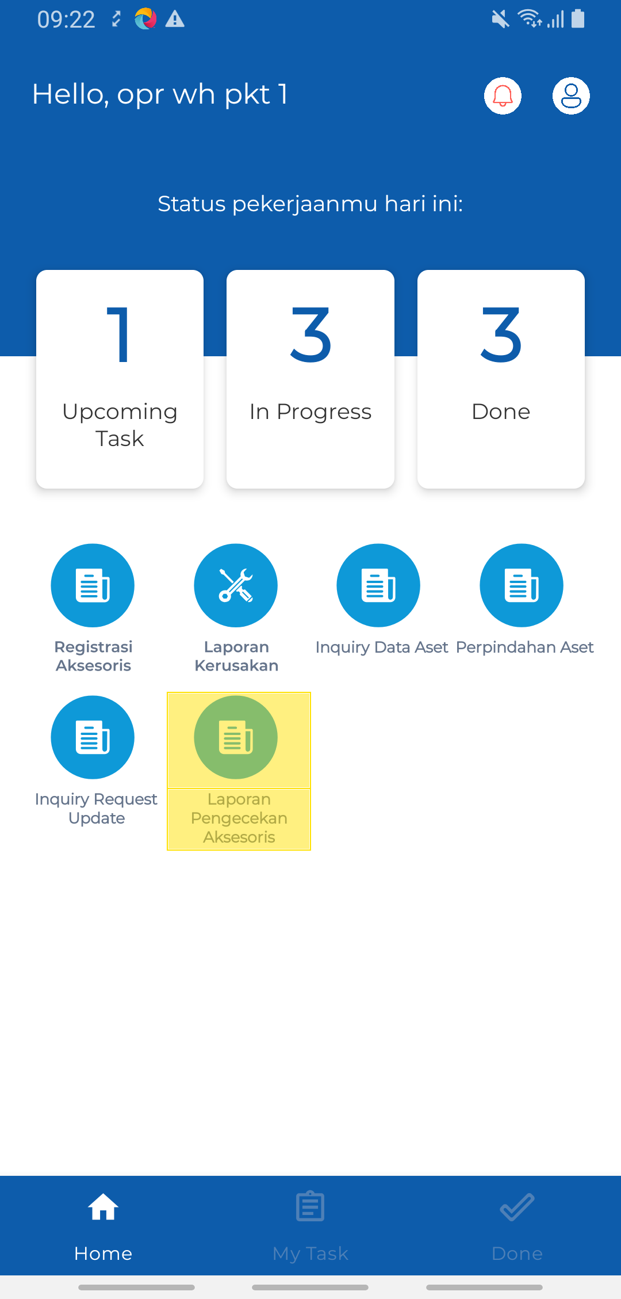
 |  | DIFFERENT

1-Try Visual Testing Mobile_002_003

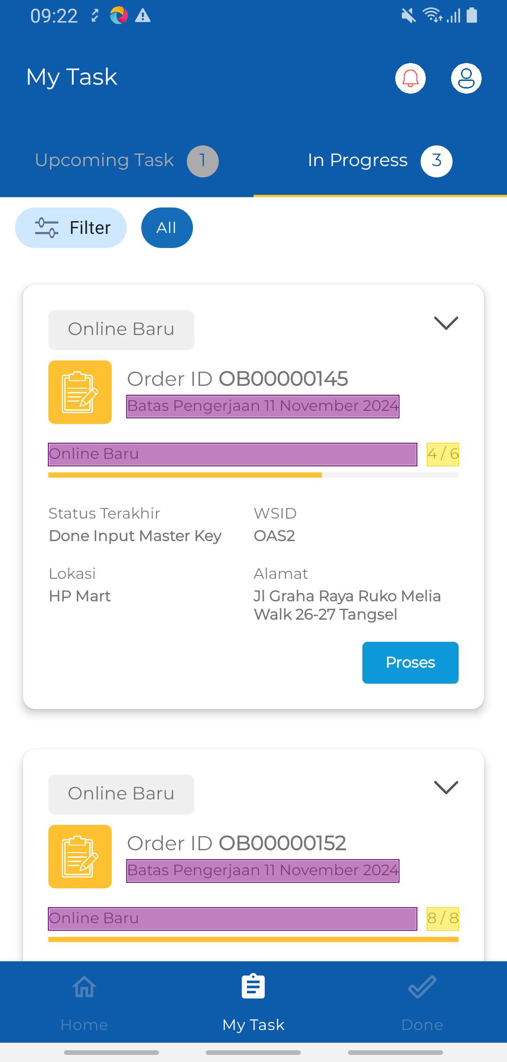
 |  | DIFFERENT

1-Try Visual Testing Mobile_002_004

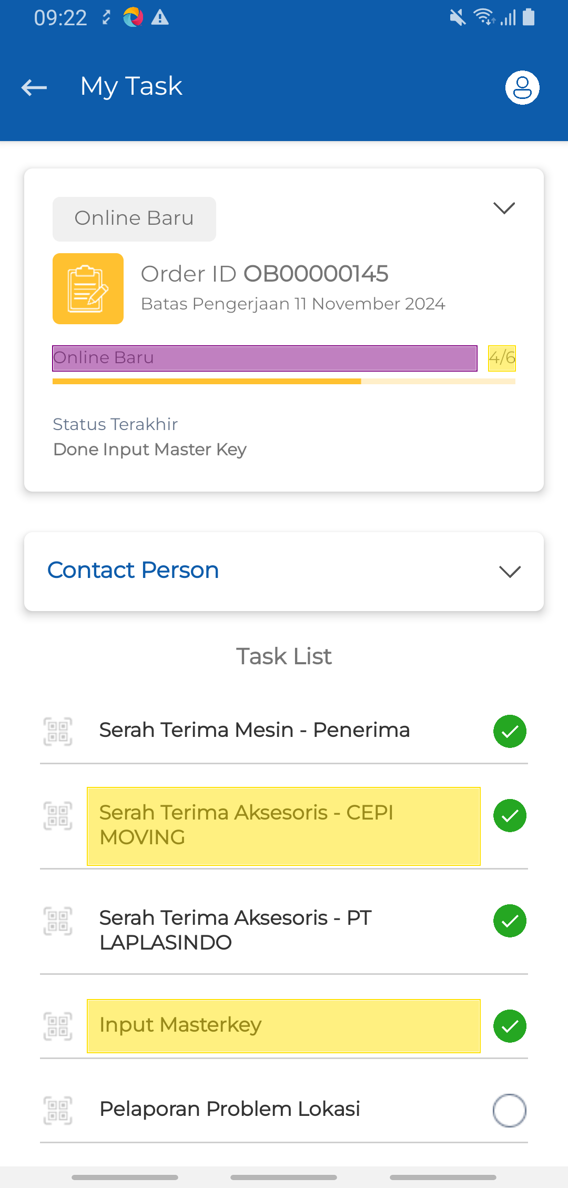
 |  | DIFFERENT

1-Try Visual Testing Mobile_002_005

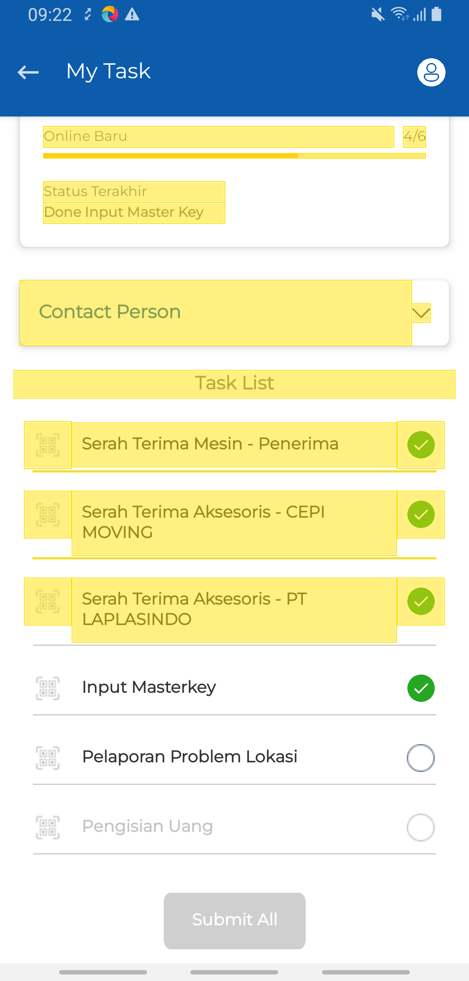
 |  | DIFFERENT

1-Try Visual Testing Mobile_003_006


 |  | IDENTICAL

VT Pixel-2-Web
Baseline | Actual | Result | Status
2-Try Visual Testing 2_001_001

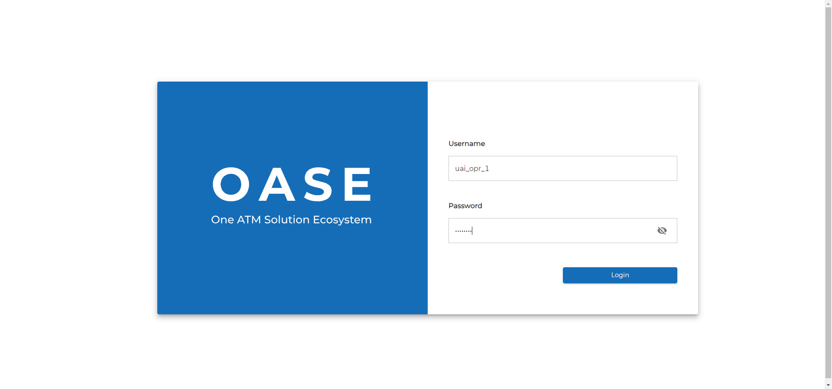

 |  |  | PASSED

2-Try Visual Testing 2_001_002

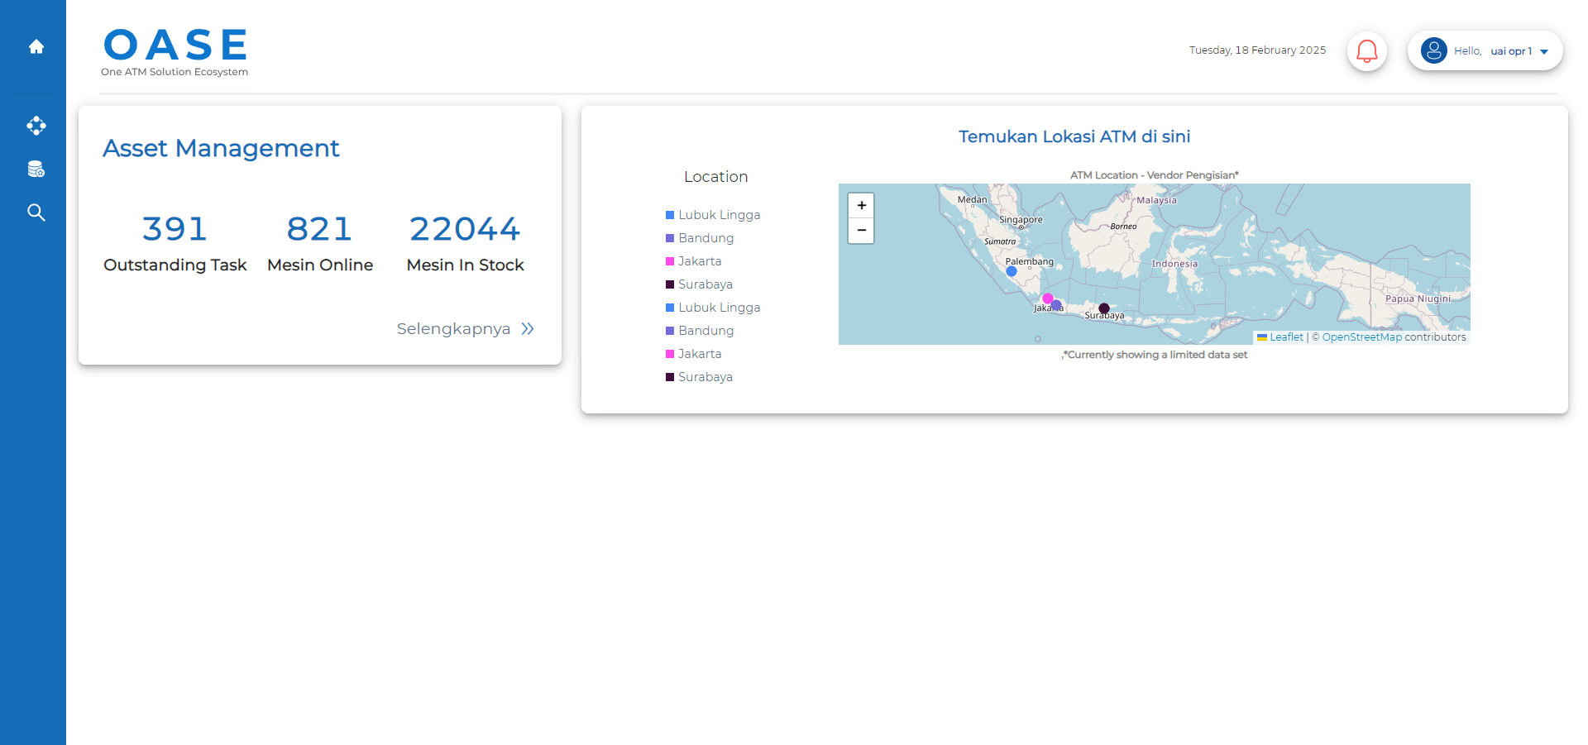

 |  |  | PASSED

2-Try Visual Testing 2_002_003

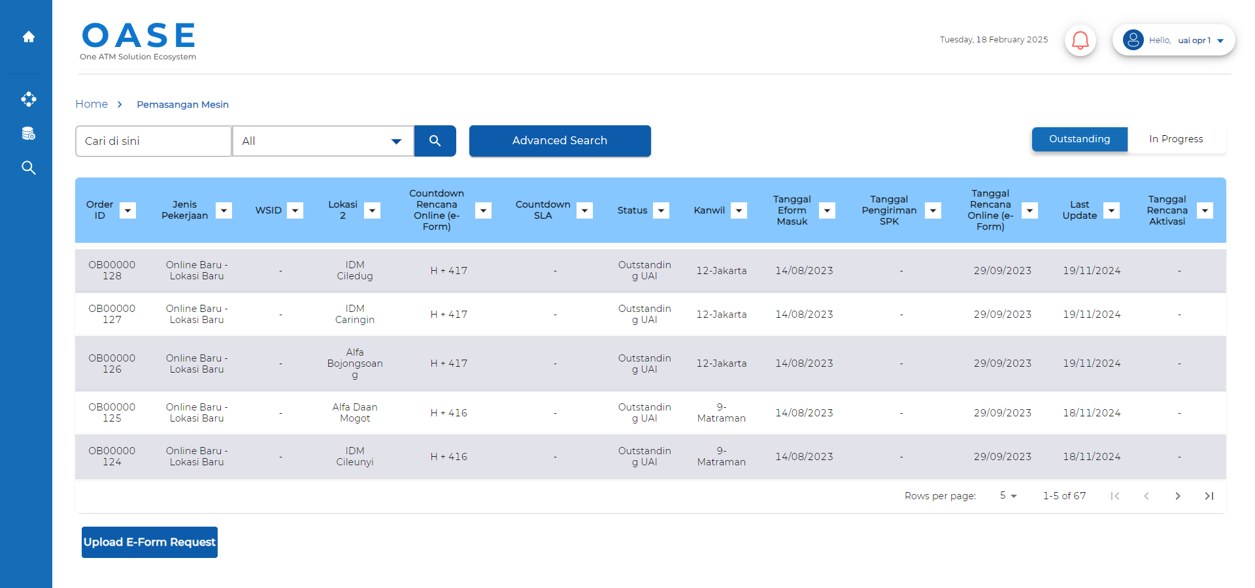

 |  |  | PASSED

2-Try Visual Testing 2_002_004

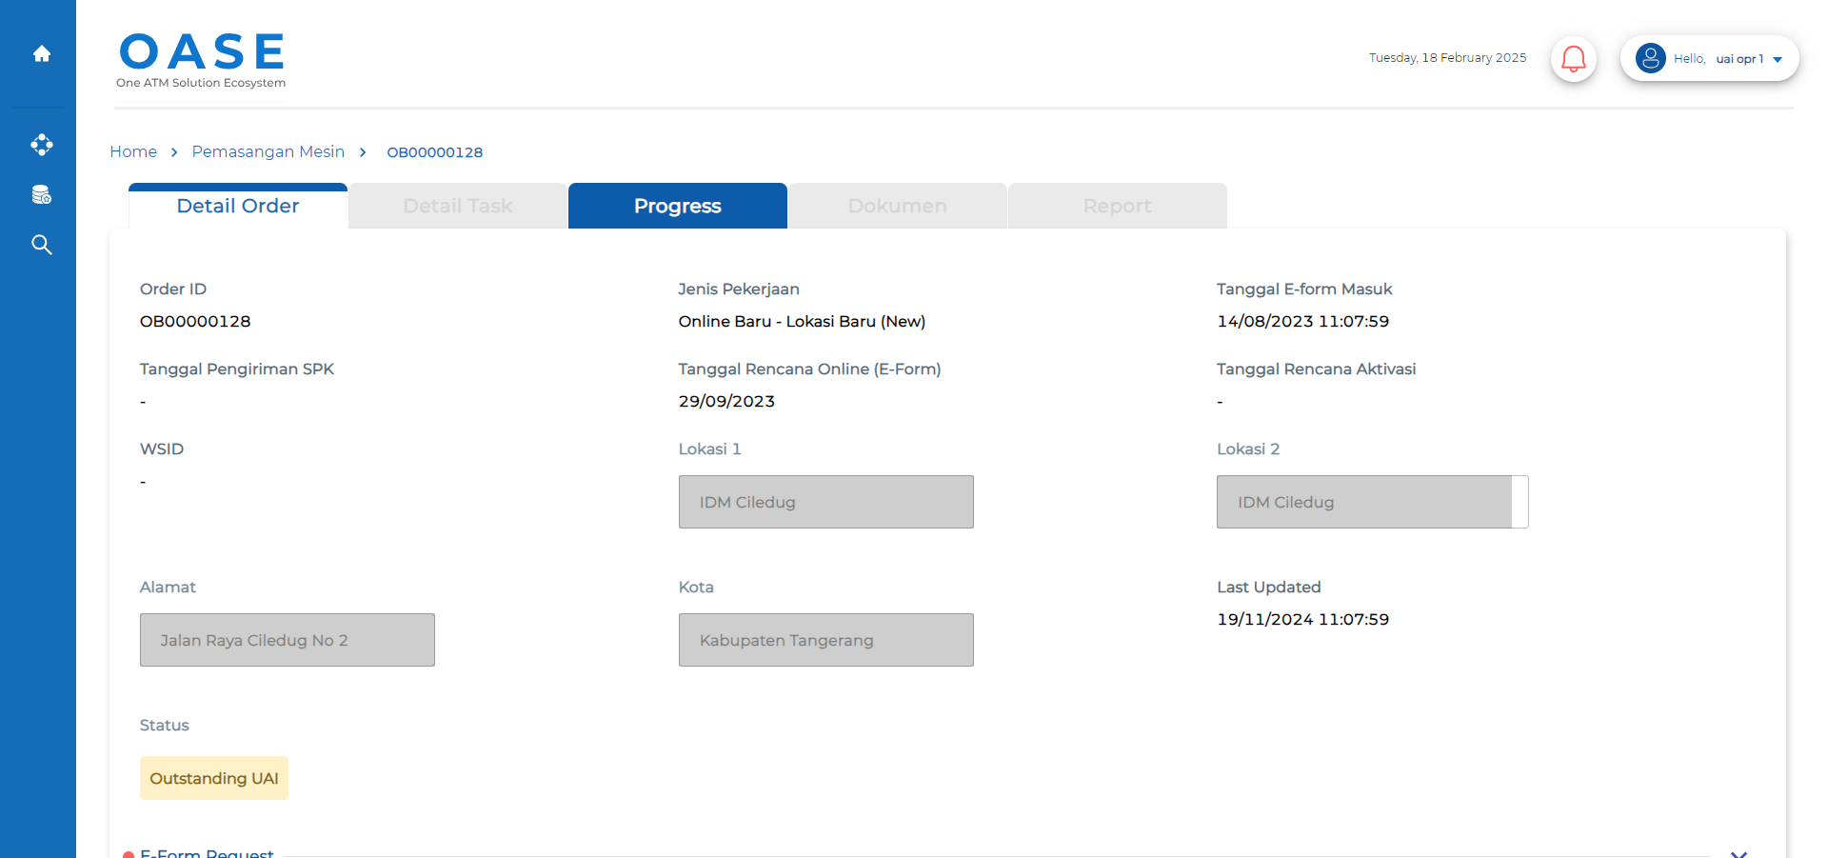
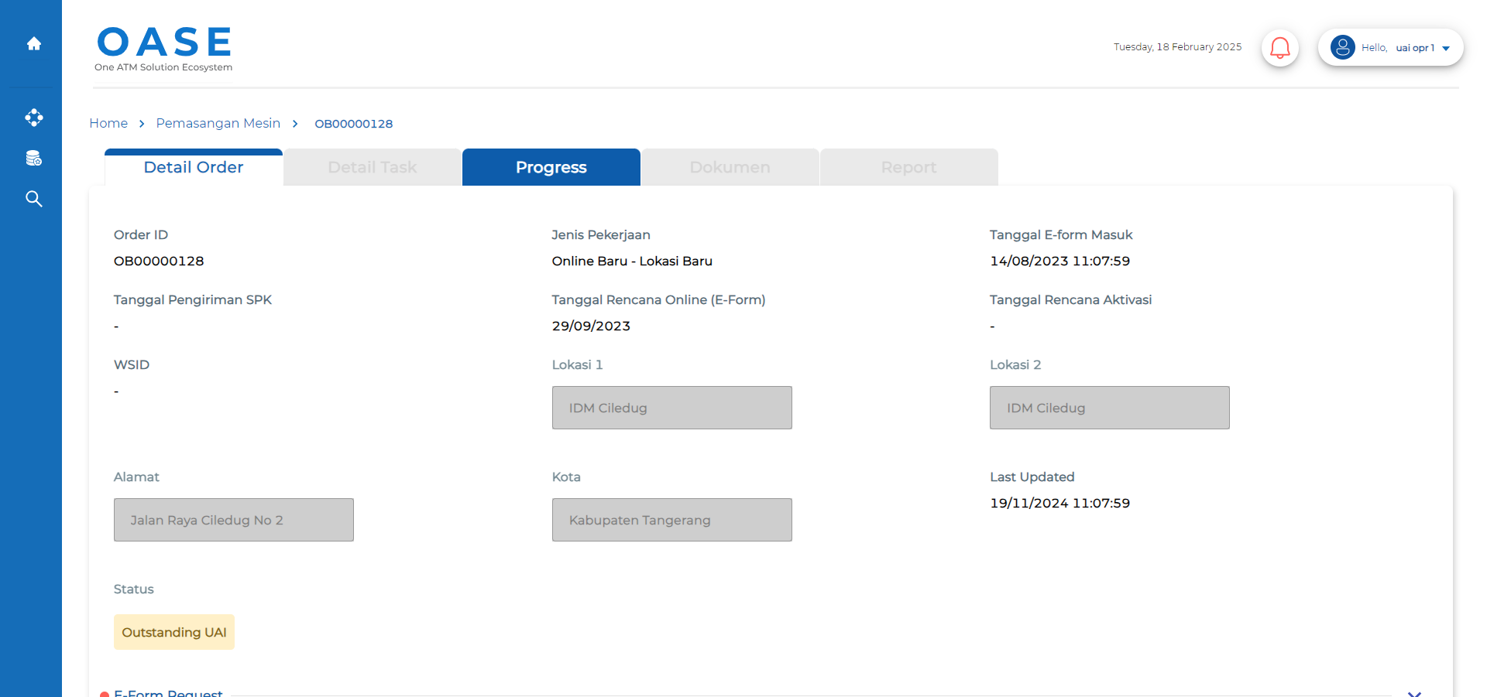
 |  |  | PASSED

2-Try Visual Testing 2_002_005




 |  |  | FAILED

VT Text Content-2-Web
Baseline | Result | Status
2-Try Visual Testing 2_001_001



 |  | IDENTICAL

2-Try Visual Testing 2_001_002


 |  | IDENTICAL

2-Try Visual Testing 2_002_003


 |  | IDENTICAL

2-Try Visual Testing 2_002_004


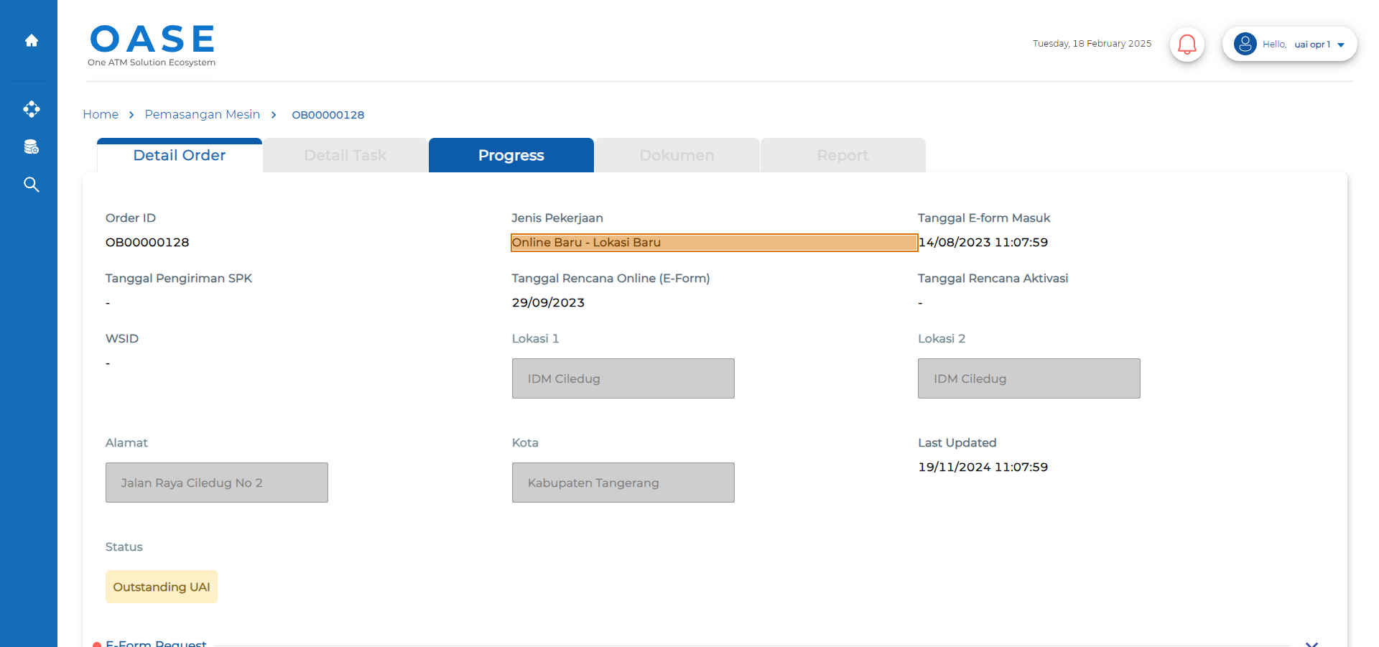
 |  | DIFFERENT

2-Try Visual Testing 2_002_005


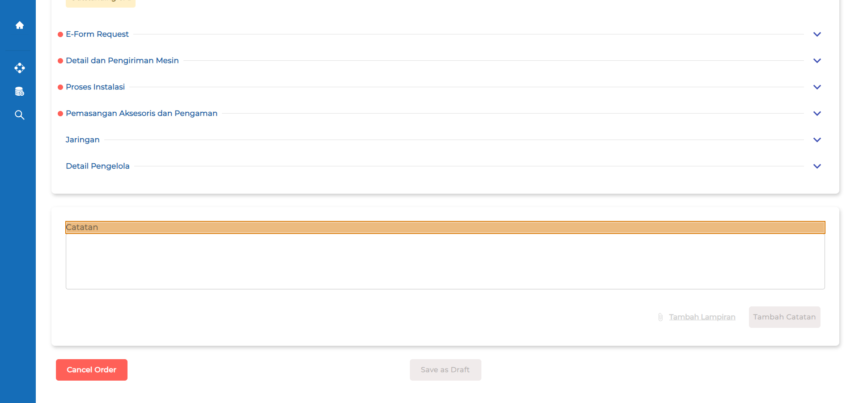
 |  | DIFFERENT

VT Page Layout-2-Web
Baseline | Result | Status
2-Try Visual Testing 2_001_001

 |  | IDENTICAL

2-Try Visual Testing 2_001_002

 |  | IDENTICAL

2-Try Visual Testing 2_002_003

 |  | IDENTICAL

2-Try Visual Testing 2_002_004

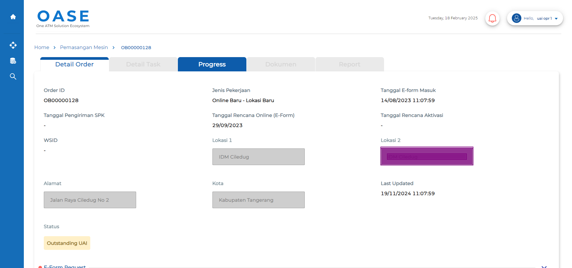
 |  | SHIFTED

2-Try Visual Testing 2_002_005


 |  | DIFFERENT

